1. Title Page
Instacart Grocery Basket Analysis

Project Name: Instacart Grocery Basket Analysis
Date: Sepetember 10, 2023
Analyst Name: Mimie Laurant

Contents:
Population Flow
Consistency checks
Wrangling steps
Column derivations
Visualizations
Recommendations

Data Citation:
“The Instacart Online Grocery Shopping Dataset 2017”, Accessed from www.instacart.com/datasets/grocery-shopping-2017 via Kaggle.
Note that some of the data used were fabricated for this course for learning purposes.

2. Population Flow
Title page

Population flow

Exclusion flag
Condition: max_order <
Obervations to be removed:
Final total count of order_products_all:

Orders_products_combined
Orders_products_merged
Orders_products_all

Total: 32,404,859 rows x 14 columns
Total: 32,434,489 rows x 10 columns
Total: 32,404,859 rows x 33 columns

1.) The grey boxes in the first row of the population flow represent the original data sets as they were when you downloaded them. In the Total fields you need to add the count of the rows when you imported the data set into Jupyter.
2.) The second row of boxes (coloured) represents the data sets after you manipulated them, e.g., removed missing values and duplicates. In the Total fields you need to add the count of the rows after conducting these operations. This offers a visual oveview of how the data flows throughout the data consistency checks.
3.) The third row, where also the arrows are coloured, represents the merges you performed between the datasets. In the Total fields you need to add the count of the rows in the merged datasets, so that you end up with the final dataset (in the red box). Keep in mind the final dataset should be without exclusions (based on the exclusion flag).

3. Consistency checks
 |  |  |  | Title page
Consistency checks

Dataset | Missing values | Missing values treatment | Duplicates
orders | 206,209 missing values in days_since_last_order column. | left in the dataframe
products | 16 missing from product_name column | removed from dataframe | 5 full duplicates were removed
orders_products_prior | No missing values |  | No duplicates.
customers | 11,259 missing values in the first_name column | left in the dataframe | No duplicates.

4. Wrangling steps
 |  |  |  | Title page
Wrangling steps

Columns dropped | Columns renamed | Columns' type changed | Comment/Reason
eval_set' |  |  | irrelevant to analysis
 | order_dow' to 'orders_day_of_week' |  | comprehension
 | days_since_prior_order' to 'days_since_last_order' |  | comprehension
 |  | order_id' and 'user_id' to string | The variables are categorical and do not need descriptive stats.
 | First Name changed to first_name |  | consistency
 | Surnam changed to surnam |  | comprehension
 | Gender changed to gender |  | consistency
 | Age chenged to age |  | consistency
 | n_dependents changed to number_of_dependents |  | comprehension
 | fam_status changed to marital_status |  | comprehension
 | STATE changed to state |  | consistency

5. Column derivations
 |  |  |  | Title page

Column derivations and aggregations

In this tab you should add tables below that the frequences of flags/label variables that you produced after deriving them. NB: don't do this for continuous variables, only for flags.
Dataset | New column | Column/s it was derived from | Conditions
orders_products_merged | price_range_loc | prices | "Low-range product" (value is <= 5) "Mid-range product" (value >5 and <=15) "High-range product" (value > 15)
orders_products_merged | busiest_days | orders_day_of_week | "Busiest days" (value = 0, 1) "Slowest days" (value = 3, 4) "Regularly busy" (value = else)
orders_products_merged | busiest_period_of_day | order_hour_of_day | "Most orders" (value = 10, 11, 14, 15, 13, 12 16, 9) "Average orders" (value = 17, 8, 18, 19, 20, 7, 21, 22) "Fewest orders" (value = else)
orders_products_merged_new | loyalty_flag | max_order | "Loyal customer" (value > 40) "Regular customer" (value<=40 and >10) "New customer" (value <10)
orders_products_merged_new | spending_flag | mean_price | "Low spender" (value < 10) "High spender" (value >=10)
orders_products_merged_new | frequency_flag | median_days | "'Frequent customer" (value > 20) "Regular customer" (value > 10 and <= 20) "Non-frequent customer" (value <=10)
orders_products_all | region | states | Census Bureau regional segmentation
orders_products_all | customer_activity | max_order | "High_activity_customer" (value >= 5) "Low_activity_customer" (value < 5)
orders_products_all2 | age_group | age | "Young Adult' (value > 18 and <= 25), "Adult" (value >=26 and <=45, "Middle Aged Adult" (value >=46 and <=65), "Elder Adult" (value >65)
orders_products_all3 | income_group | income | "Low income" (value <28007), "Lower Middle Income" (value >=28008 and <=55000), "Middle Income" (value >=55001 and <=89744), "Upper Middle Income" (value >= 89745 and <=149131), "Upper Income" (value >149131)
orders_products_all3 | customer_snacks | department_id AND user_id | "snacks_buyer" (value = 19) "non_buyer" (value != 19)
orders_products_all3 | customer_beverages | department_id AND user_id | "beverages_buyer" (value = 7) "non_buyer" (value != 7)
orders_products_all3 | family_status_flag | marital_status AND number_of_dependants | "Married WITH Dependants" (value = 'married', >=1) "Single with NO Dependants" (value = 'divorced/widowed', 'living with parents and siblings', 0) "Married with NO Dependants" (value = 'married', 0) "Single WITH Dependants" (value = 'divorced/widowed', 'living with parents and siblings',>=1)

6. Visualizations
 |  |  |  |  |  |  |  |  | Title page

Visualisations

In this tab you should include all the visualtions from Exercises 4.9 and 4.10, alongside the questions from the project brief that they answer. Include any commentary on the relationship between different variables.

The sales team needs to know what the busiest days of the week and hours of the day are (i.e., the days and times with the most orders) in order to schedule ads at times when there are fewer orders.


Orders by Day of the Week
Orders by Hour of the Day

Legend
0 - Saturday
1 -Sunday
2 - Monday
3 - Tuesday
4 - Wednesday
5 - Thursday
6 - Friday

 | The busiest days of the for orders are on the weekends - Saturday and Sunday. |  |  |  | The busiest hours of the day are between 9am and 5pm.

They also want to know whether there are particular times of the day when people spend the most money, as this might inform the type of products they advertise at these times.


Prices by Hour of the Day

 | People appear to spend the most around 3am.

Instacart has a lot of products with different price tags. Marketing and sales want to use simpler price range groupings to help direct their efforts.
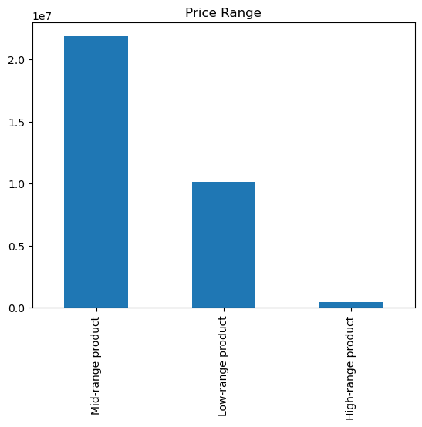

 |  | '"Low-range product" (value is <= 5)
 |  | Mid-range product (value >5 and <=15)
 |  | "High-range product" (value > 15)

 |  | Most Instacart customers are purchasing mid-range products with a value of between $5 and $15.

Are there certain types of products that are more popular than others? The marketing and sales teams want to know which departments have the highest frequency of product orders.
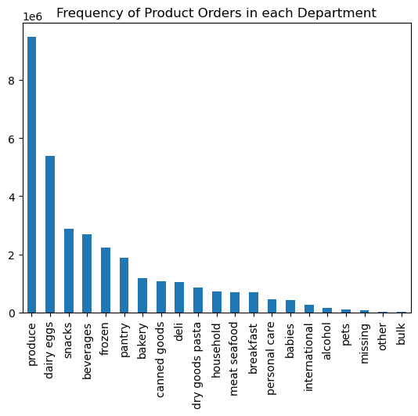

 | Produce and Dairy/Eggs are the two most popular departments, making up almost half of customer orders.

What’s the distribution among users in regards to their brand loyalty (i.e., how often do they return to Instacart)?
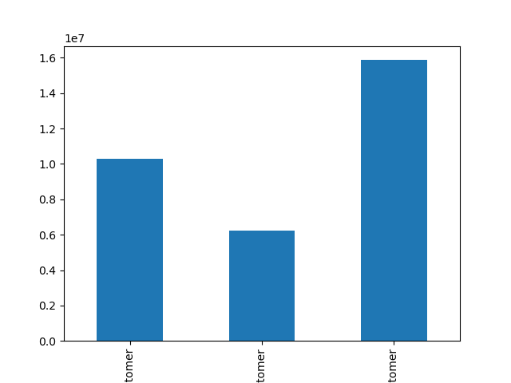

 |  |  | Loyal customer (value > 40)
 |  |  | Regular customer (value<=40 and >10)
 |  |  | New customer (value <10)

Regular Customer
New Customer
Loyal Customer

 | Most customers using Instacart are loyal customers, placing 40 or more orders.

Are there differences in ordering habits based on a customer’s region?
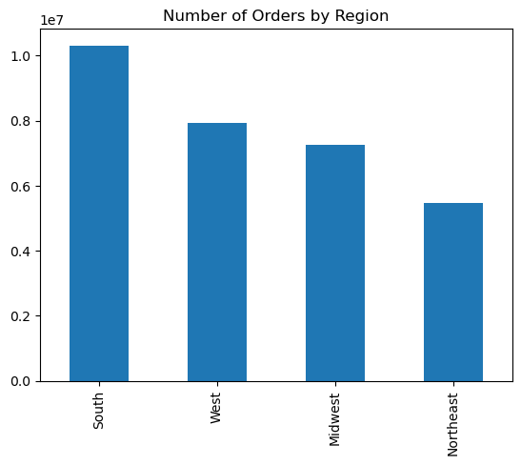
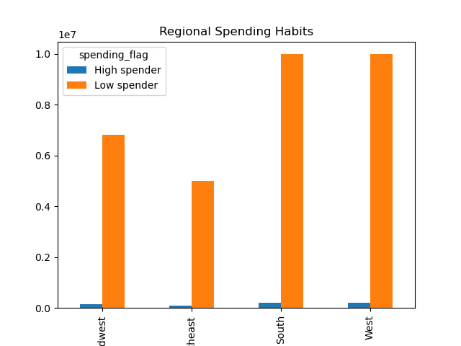
 |  |  |  |  |  |  | '"Low spender" (value < 10)
 |  |  |  |  |  |  | High spender (value >=10)

Midwest
Northeast

 | The South has the highest numbers of orders. In all regions the majority of custmers are spending more than $10 per order.

 | Is there a connection between age and family status in terms of ordering habits?
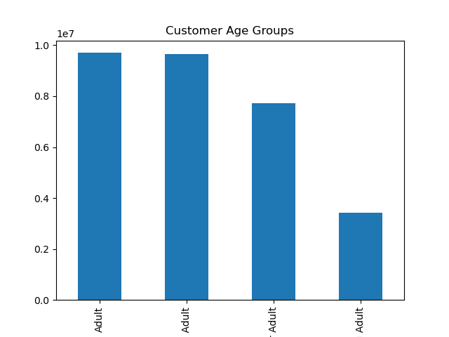

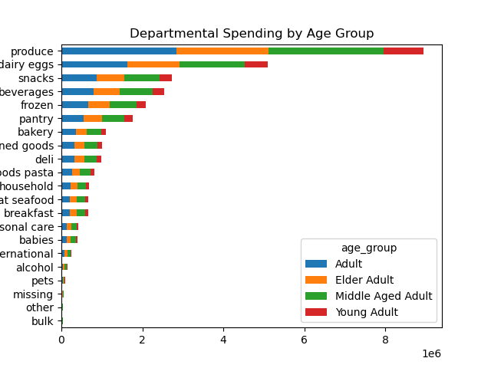

 |  |  | Young Adult (value > 18 and <= 25) |  |  |  |  |  |  | Department | Young Adult | Adult | Middle Aged Adult | Elder Adult
 |  |  | Adult (value >=26 and <=45 |  |  |  |  |  |  | Alcohol | 17,477 | 45,481 | 45,267 | 34,691
 |  |  | Middle Aged Adult (value >=46 and <=65), |  |  |  |  |  |  | babies | 45,825 | 130,299 | 128,697 | 100,162
 |  |  | Elder Adult (value >65) |  |  |  |  |  |  | bakery | 123,582 | 352,102 | 350,395 | 278,458
 |  |  |  |  |  |  |  |  |  | beverages | 279,256 | 797,642 | 809,502 | 646,414
 |  |  |  |  |  |  |  |  |  | breakfast | 75,448 | 209,410 | 210,472 | 165,491
 |  |  |  |  |  |  |  |  |  | bulk | 3,767 | 10,421 | 10,388 | 8,336
 |  |  |  |  |  |  |  |  |  | canned goods | 111,594 | 317,972 | 315,850 | 251,940
 |  |  |  |  |  |  |  |  |  | dairy eggs | 573,152 | 1,630,318 | 1,608,332 | 1,291,039
 |  |  |  |  |  |  |  |  |  | deli | 109,972 | 315,618 | 313,198 | 250,463
 |  |  |  |  |  |  |  |  |  | dry goods pasta | 91,735 | 256,409 | 256,056 | 205,473
 |  |  |  |  |  |  |  |  |  | frozen | 234,088 | 658,730 | 664,581 | 532,530
 |  |  |  |  |  |  |  |  |  | household | 77,019 | 219,185 | 217,431 | 176,427
 |  |  |  |  |  |  |  |  |  | international | 28,610 | 80,660 | 79,730 | 63,227
 |  |  |  |  |  |  |  |  |  | meat seafood | 75,237 | 209,741 | 209,687 | 170,773
 |  |  |  |  |  |  |  |  |  | missing | 7,439 | 20,172 | 20,308 | 15,905
Middle Aged Adult
Elder Adult
Young Adult
 |  |  |  |  |  |  |  |  |  | other | 3,923 | 10,820 | 10,785 | 8,350
 |  |  |  |  |  |  |  |  |  | pantry | 196,701 | 556,986 | 558,459 | 445,174
 |  |  |  |  |  |  |  |  |  | personal care | 46,534 | 132,526 | 134,113 | 104,671
 |  |  |  |  |  |  |  |  |  | pets | 11,304 | 28,467 | 28,224 | 23,751
 |  |  |  |  |  |  |  |  |  | produce | 999,328 | 2,851,727 | 2,830,735 | 2,269,085
 |  |  |  |  |  |  |  |  |  | snacks | 303,203 | 867,853 | 864,463 | 688,474

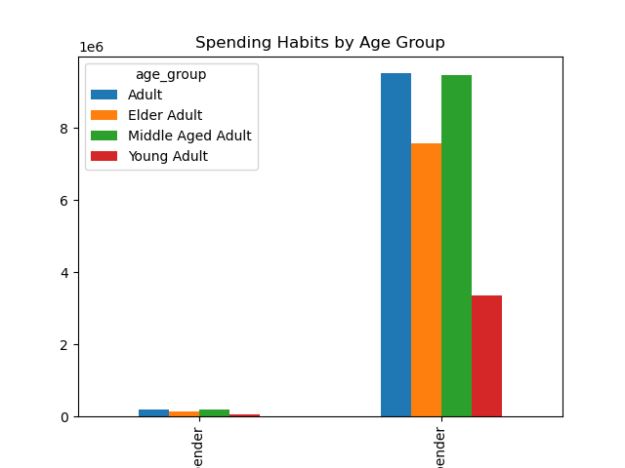
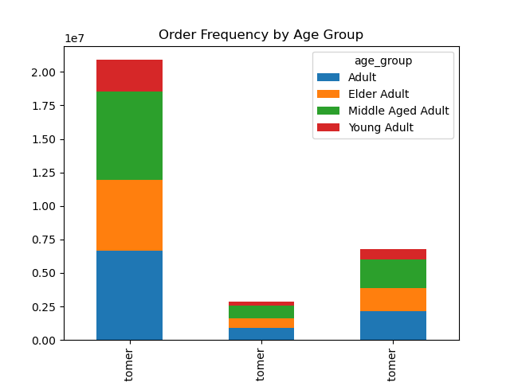

High Spender
Low Spender
Frequent Customer
Non-frequent Customer
Regular Customer

 | The majority of Instacart customers are between the ages of 26 and 65. The majority of customers across all age groups are frequent customers, with middle aged adults being the most non-frequent customers. All age groups are mainly buying lower priced items.
 | All age groups do the majority of their spending on produce and dairy/eggs. Customers between the ages of 26 and 65 are placing significantly more orders for bulk items.

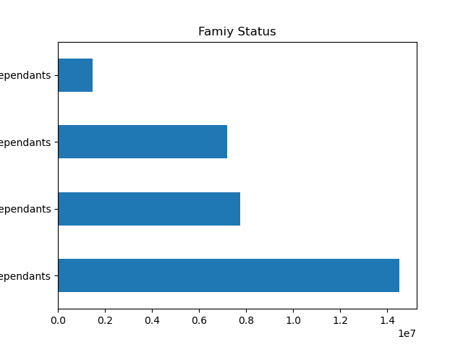
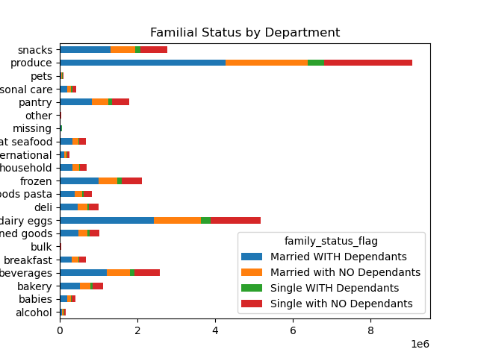

Single WITH Dependants
 |  |  |  |  |  |  |  |  |  |  |  |  |  | Department | Married WITH Dependants | Marrried with NO Dependants | Single WITH dependants | Single with NO Dependants
 |  |  |  |  |  |  |  |  |  |  |  |  |  | produce | 4,262,296 | 2,110,997 | 430,539 | 2,275,441
 |  |  |  |  |  |  |  |  |  |  |  |  |  | dairy eggs | 2,421,459 | 1,211,140 | 250,207 | 1,294,376
 |  |  |  |  |  |  |  |  |  |  |  |  |  | snacks | 1,301,249 | 643,409 | 131,310 | 690,438
 |  |  |  |  |  |  |  |  |  |  |  |  |  | beverages | 1,209,634 | 597,819 | 119,107 | 645,341
 |  |  |  |  |  |  |  |  |  |  |  |  |  | frozen | 999,057 | 490,333 | 102,993 | 529,348
Married with NO dependants
 |  |  |  |  |  |  |  |  |  |  |  |  |  | pantry | 835,734 | 417,222 | 85,845 | 443,904
 |  |  |  |  |  |  |  |  |  |  |  |  |  | bakery | 523,567 | 262,182 | 53,684 | 281,395
 |  |  |  |  |  |  |  |  |  |  |  |  |  | canned goods | 476,452 | 236,125 | 48,477 | 251,020
 |  |  |  |  |  |  |  |  |  |  |  |  |  | deli | 470,594 | 231,739 | 48,119 | 253,382
 |  |  |  |  |  |  |  |  |  |  |  |  |  | dry goods pasta | 387,173 | 191,125 | 39,542 | 204,296
Single with NO dependants
 |  |  |  |  |  |  |  |  |  |  |  |  |  | household | 330,557 | 164,593 | 33,349 | 171,358
 |  |  |  |  |  |  |  |  |  |  |  |  |  | meat seafood | 318,215 | 158,344 | 32,344 | 165,878
 |  |  |  |  |  |  |  |  |  |  |  |  |  | breakfast | 313,272 | 157,948 | 33,198 | 166,432
 |  |  |  |  |  |  |  |  |  |  |  |  |  | personal care | 198,871 | 99,029 | 20,201 | 106,205
Married WITH dependants
 |  |  |  |  |  |  |  |  |  |  |  |  |  | babies | 194,848 | 92,835 | 19,381 | 103,328
 |  |  |  |  |  |  |  |  |  |  |  |  |  | international | 118,700 | 60,436 | 12,394 | 64,461
 |  |  |  |  |  |  |  |  |  |  |  |  |  | Alcohol | 66,171 | 33,250 | 8,379 | 36,827
 |  |  |  |  |  |  |  |  |  |  |  |  |  | pets | 42,732 | 21,388 | 5,338 | 23,602
 |  |  |  |  |  |  |  |  |  |  |  |  |  | missing | 30,600 | 14,916 | 3,317 | 15,935
 |  |  |  |  |  |  |  |  |  |  |  |  |  | other | 15,745 | 8,137 | 1,815 | 8,714
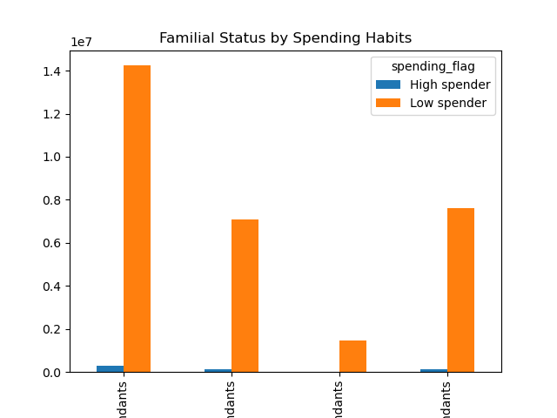
 |  |  |  |  |  |  |  |  |  |  |  |  |  | bulk | 15,724 | 8,094 | 1,633 | 8,000

 |  |  |  | Customers who are married with dependants are placing significantly more orders with the beverages and snacks departments, than other customers.
 |  |  |  | Customers who are single with dependants are spending significantly less across all departments.
 |  |  |  | Customers who are married with dependants are spending more across all departments than other customers.

Married WITH dependants
Married with NO dependants
Single WITH Dependants
Single with NO Dependants

What different classifications does the demographic information suggest? What different classifications does the demographic information suggest? Age? Income? Certain types of goods? Family status?

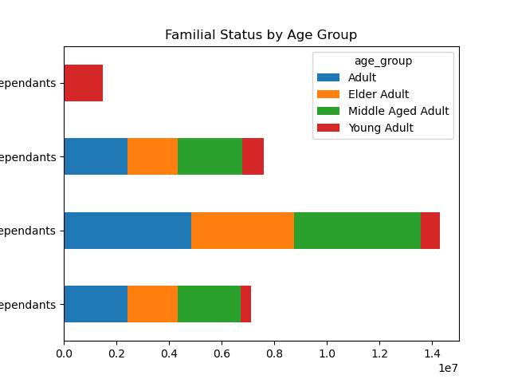
AGE
 |  |  |  | Familial Status | Young Adult | Adult | Middle Aged Adult | Elder Adult
 |  |  |  | Married with NO dependants | 374,040 | 2,419,202 | 2,398,482 | 1,916,639
 |  |  |  | Married WITH dependants | 734,472 | 4,850,937 | 4,819,858 | 3,908,473
Single WITH Dependants
 |  |  |  | Single with NO dependants | 825,510 | 2,432,400 | 2,448,333 | 1,905,721
 |  |  |  | Single WITH dependants | 1,481,172 | - | - | -

Single with NO Dependants

Married WITH dependants
 |  |  |  | All customers that are single with dependants are between the ages of 18 and 25.
 |  |  |  | The majority of customers who are above the age of 25 are married with dependants.
 |  |  |  | The majority of customers across all age groups live in the South and West.
 |  |  |  | In the Midwest and Northeast there are more customrs above the age of 65, than between the ages of 18-25.

Married with NO dependants

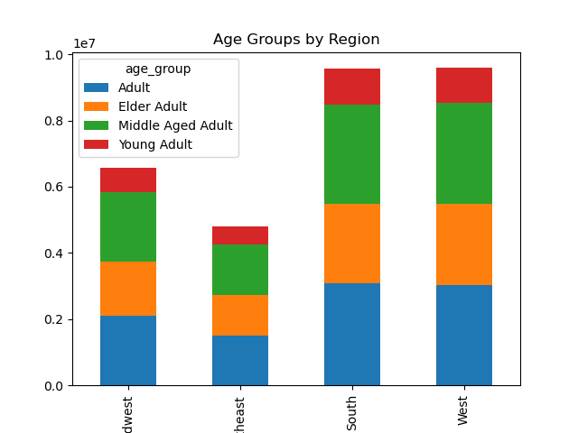

 |  |  |  | Region | Young Adult | Adult | Middle Aged Adult | Elder Adult
 |  |  |  | Midwest | 726,101 | 2,102,549 | 2,085,588 | 1,644,371
 |  |  |  | Northeast | 536,430 | 1,499,114 | 1,512,357 | 1,243,280
 |  |  |  | South | 1,092,832 | 3,077,194 | 3,014,439 | 2,391,862
 |  |  |  | West | 1,059,831 | 3,023,682 | 3,054,289 | 2,451,321

INCOME
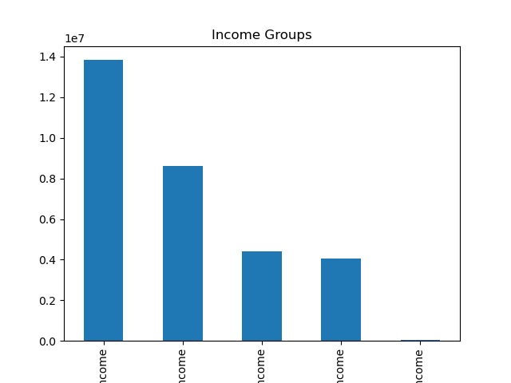

 |  |  | Low income (value <28007)
 |  |  | Lower Middle Income (value >=28008 and <=55000)
 |  |  | Middle Income (value >=55001 and <=89744)
 |  |  | Upper Middle Income (value >= 89745 and <=149131)
 |  |  | "Upper Income" (value >149131)

 |  |  | Most Instacart customers are upper-middle income earners, making $89,745-$149,131 per year.

Upper Middle Income
Middle Income
Lower Middle Income
Lower Income
High Income

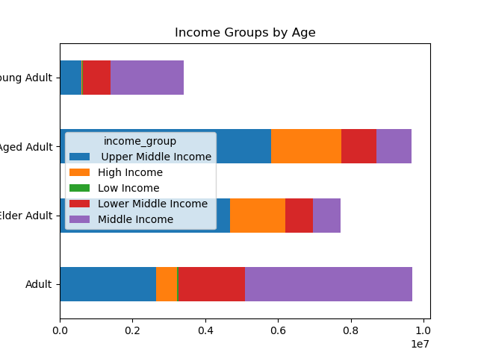

 |  |  | Age Group | Low Income | Lower Middle Income | Middle Income | Upper Middle Income | High Income
 |  |  | Young Adult | 17,444 | 758,239 | 2,018,146 | 588,852 | 32,513
 |  |  | Adult | 40,609 | 1,827,882 | 4,608,057 | 2,654,984 | 570,002
 |  |  | Middle Aged Adult | - | 950,086 | 966,480 | 5,817,718 | 1,932,115
 |  |  | Elder Adult | - | 753,983 | 772,827 | 4,688,394 | 1,515,560

 |  |  | All low income instacart customers are aged 45 and under, with the majority being between the ages of 26 and 45. They make less than $28,007 per year.
 |  |  | The majority of custmers aged 26-45 are middle income earners, making $55,001-$89,744 per year.
 |  |  | The majority of customers above the age of 45 are upper middle income earners, making $89,745-$149,131 per year.
 |  |  | Most high income customers are above the age of 45 and make more than $149,131 per year.

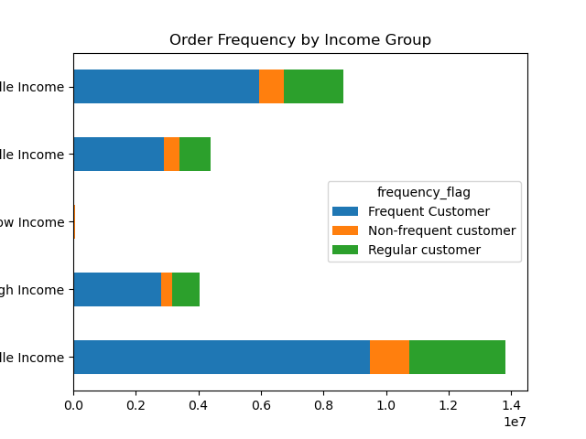

 |  |  | Income | Non-Frequent Customer | Frequent Customer | Regular Customer
 |  |  | Low Income | 7,478 | 36,588 | 18,119
 |  |  | Lower Middle Income | 480,792 | 2,904,634 | 1,004,777
 |  |  | Middle Income | 786,446 | 5,949,301 | 1,888,662
 |  |  | Upper Middle Income | 1,261,157 | 9,498,890 | 3,071,135
 |  |  | High Income | 358,893 | 2,814,072 | 882,271

 |  |  | Across all income groups, the majority is a frequent customer with upper middle income customers being the most frequent.

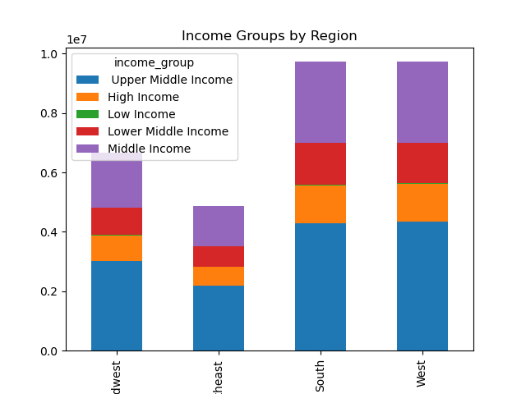

 |  |  | Region | Low Income | Lower Middle Income | Middle Income | Upper Middle Income | High Income
 |  |  | Midwest | 14,514 | 927,530 | 1,836,198 | 3,004,578 | 875,047
 |  |  | Northeast | 9,956 | 696,638 | 1,330,783 | 2,190,501 | 630,145
 |  |  | South | 18,576 | 1,410,828 | 2,732,533 | 4,299,972 | 1,258,967
 |  |  | West | 19,139 | 1,355,207 | 2,724,895 | 4,336,131 | 1,291,077

 |  |  | Most customers in all regions are upper middle income earners,
 |  |  | The Northeast has the least number of low income earners.
 |  |  | The West has the highest number of high income earners.

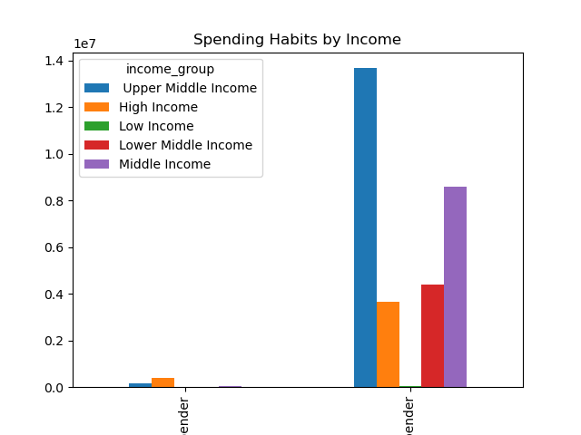

 |  |  | Spending | Low Income | Lower Middle Income | Middle Income | Upper Middle Income | High Income
 |  |  | High Spender | - | 5,121 | 41,562 | 165,238 | 391,504
 |  |  | Low Spender | 62,185 | 4,385,082 | 8,582,847 | 13,665,944 | 3,663,732

 |  |  | Low income earners are not buying product that cost more than $10.
 |  |  | Upper middle income earners are also buying the most products that cost under $10.
 |  |  | High income earners are buying the most products over $10.

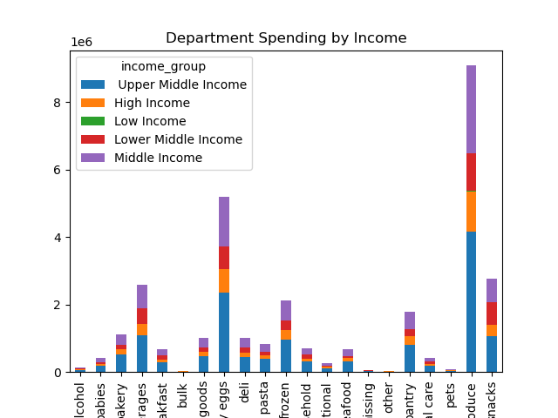
 |  |  | Department | Low Income | Lower Middle Income | Middle Income | Upper Middle Income | High Income
 |  |  | Alcohol | 337 | 21,862 | 37,124 | 60,588 | 24,716
 |  |  | babies | 690 | 42,748 | 118,530 | 192,745 | 55,679
 |  |  | bakery | 2,048 | 142,038 | 313,689 | 509,039 | 153,952
 |  |  | beverages | 7,267 | 472,475 | 678,234 | 1,088,423 | 325,432
 |  |  | breakfast | 1,699 | 114,841 | 181,043 | 286,611 | 86,616
 |  |  | bulk | 55 | 5,919 | 9,362 | 14,300 | 3,815
 |  |  | canned goods | 1,453 | 111,492 | 289,521 | 471,539 | 138,022
 |  |  | dairy eggs | 9,352 | 671,464 | 1,459,313 | 2,350,274 | 686,516
 |  |  | deli | 2,029 | 139,729 | 280,030 | 451,174 | 130,840
 |  |  | dry goods pasta | 192 | 91,209 | 235,355 | 383,467 | 110,840
 |  |  | frozen | 4,524 | 283,444 | 590,253 | 956,785 | 286,597
 |  |  | household | 1,639 | 109,869 | 189,002 | 303,124 | 96,194
 |  |  | international | 467 | 29,773 | 73,613 | 117,844 | 34,290
 |  |  | meat seafood | 519 | 54,198 | 197,703 | 327,280 | 95,032
 |  |  | missing | 104 | 8,798 | 18,535 | 28,711 | 8,620
 |  |  | other | 73 | 4,885 | 9,640 | 15,094 | 4,719
 |  |  | pantry | 2,913 | 223,308 | 502,178 | 813,273 | 240,909
 |  |  | personal care | 811 | 62,077 | 117,993 | 187,609 | 55,806
 |  |  | pets | 179 | 11,603 | 25,208 | 42,790 | 13,271
 |  |  | produce | 13,644 | 1,125,908 | 2,595,240 | 4,159,361 | 1,184,817
 |  |  | snacks | 11,190 | 662,563 | 702,843 | 1,071,151 | 318,553

 |  |  | Low income earners mostly buy produce and snacks, and hardly buy products in bulk.
 |  |  | All middle income group earners and high income earners mostly buy produce, dairy, and eggs.
 |  |  | Upper middle income earners purchasing nearly double the amounts across all departments compared to other income groups.
DEPARTMENT - SNACKS
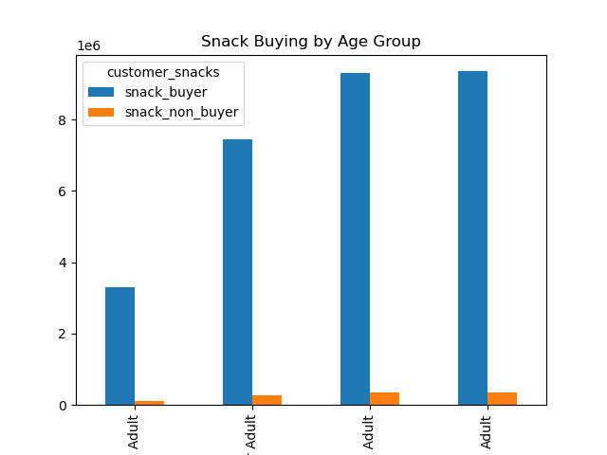
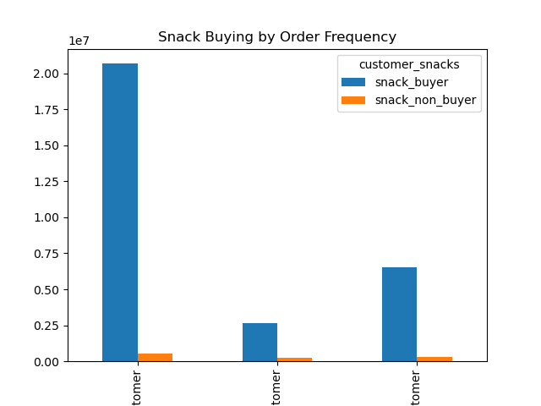
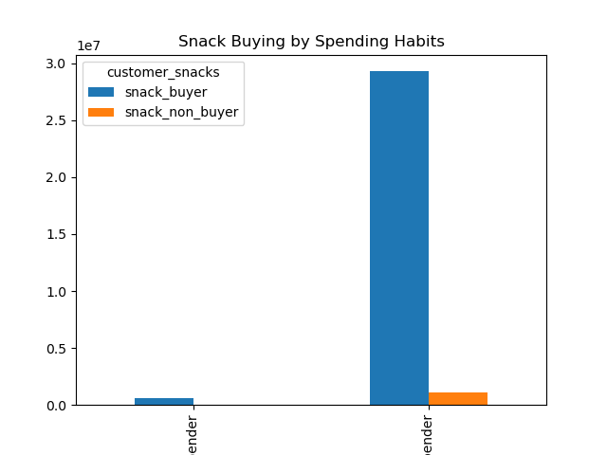

The majority of snack buyers are above the age of 25 and below the age of 66.
The majority of snack buyers are frequent customers and low spenders.

DEPARTMENT - BEVERAGES
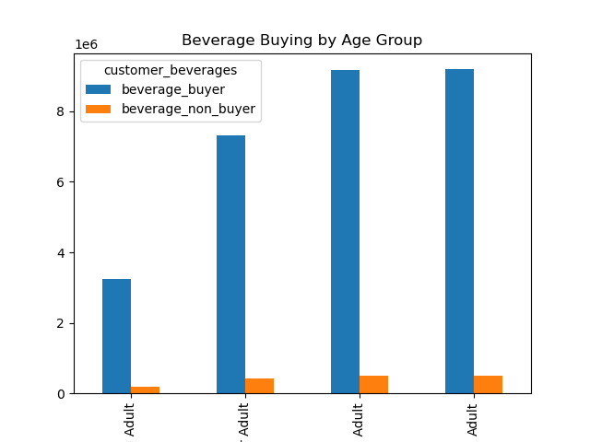
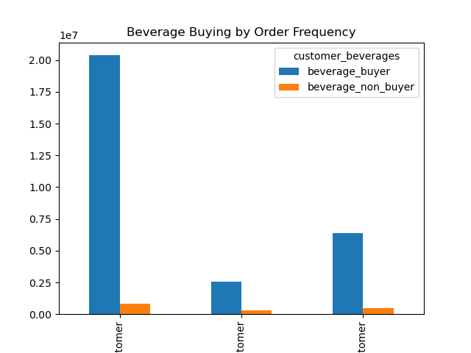
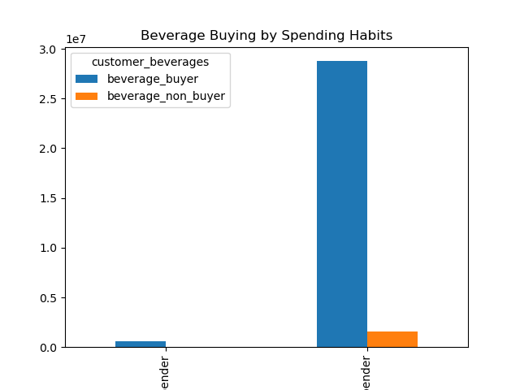

 | Most beverage buyers are above the age of 25 and below the age of 66.
 | Most beveage buyers are frequent customers and low spenders.

FAMILIAL STATUS
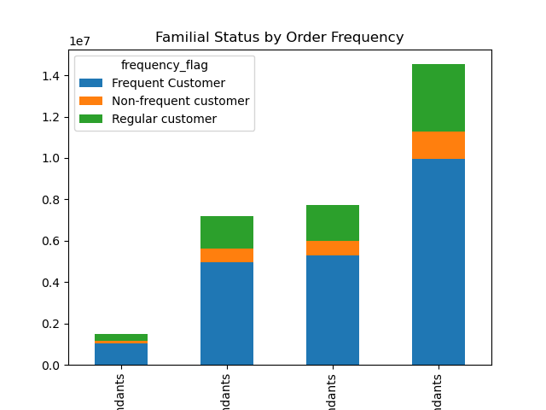
 |  |  | Family Status | Frequent Customer | Non-Frequent Customer | Regular Customer
 |  |  | Married WITH dependants | 9,942,325 | 1,349,451 | 3,240,874
 |  |  | Married with NO dependants | 4,946,500 | 690,372 | 1,574,189
 |  |  | Single WITH dependants | 1,030,514 | 138,646 | 312,012
 |  |  | Single with NO dependants | 5,285,137 | 716,506 | 1,738,038

 |  |  | The majority of frequent customers are married WITH dependants, followed by customers who are single with no dependants.

 |  |  | Family Status | High spender | Low spender
 |  |  | Married WITH dependants | 295,505 | 14,237,145
 |  |  | Married with NO dependants | 133,952 | 7,077,109
 |  |  | Single WITH dependants | 27,926 | 1,453,246
 |  |  | Single with NO dependants | 146,042 | 7,593,639

 |  |  | The majority of purchases made are for items priced less than $10.
 |  |  | Customers who are married with dependants are speanding nearly double on low cost items compared to other family statuses.

7. Recommendations
 |  | Title page

Recommendations

In this tab you should include any recommendations you would made to Instcart in terms of their marketing strategy based on the questions posed in the brief. Every key question has been covered in the Tasks of the Exercises - here you need to add an item - a visualisation or table/crosstable that is showing the answer in the data, acompanied by a comment from you. Please, list the questions below and add the answer underneath.

Question | Answer
The sales team needs to know what the busiest days of the week and hours of the day are (i.e., the days and times with the most orders) in order to schedule ads at times when there are fewer orders. | The sales team should run more ads on Mondays and Tuesdays, which are the slowest days of the week. Orders are slower from 5pm to 9am daily. However, to maximize things I recommend running ads betwwn 5pm and 11pm daily to capitalize on times when people are likely awake and able to see the ads.

They also want to know whether there are particular times of the day when people spend the most money, as this might inform the type of products they advertise at these times. | People appear to spend the most money between 2am and 3am.

Instacart has a lot of products with different price tags. Marketing and sales want to use simpler price range groupings to help direct their efforts. | Low-range products are those that are less than $5. Mid-range prodcuts are priced between $5 and $15. High-range products are more than $15.

Are there certain types of products that are more popular than others? The marketing and sales teams want to know which departments have the highest frequency of product orders. | Produce and dairy/eggs are the most popular deparments.

What’s the distribution among users in regards to their brand loyalty (i.e., how often do they return to Instacart)? | Most customers are loyal to the brand, placing 40 or more orders.

Are there differences in ordering habits based on a customer’s region? | The majority of customers are placing orders that cost at least $10 across all regions. The South and West have the most orders. The South and Northeast have the highest numbers of high spending customers.

Is there a connection between age and family status in terms of ordering habits? | Customers who are between the ages of 25 and 65 AND who are married with dependants are placing the majority of orders on Instacart. This age group is also spending significantly more on bulk items. This family status group is also placing the most orders for snacks and beverage items. Customers who are single with dependants are spending signicantly less than other family status types.

What different classifications does the demographic information suggest? What different classifications does the demographic informations suggest?
Age? | All customers that are single with dependants are young adults, between the ages of 18 and 25. This age group also places the least orders regardless of family status. The Midwest and the Northeast have more elder adults than young adult as customers, which may explain why their order numbers are lagging compared to the South and West.

Income? | All low income earners and below the age of 46, with the majority being between the ages of 25 and 45. Even though this age group makes up the majority of low income earners, the majority of adults aged 26-45 are upper middle income earners. low income earners are not purchasing items that cost more than $10. They purchase the most from the produce and snack departments, and hardly purchase anything in bulk.
 | All middle income groups and making the majority of their purchases in the produce and dairy/eggs departments. Most Instacart customers are upper middle income earners, earning $89,745-$149,131 per year. Upper middle income earners are also ordering nearly double compared to other income groups across all departments.
 | The majority of high income earners are above the age of 45 and earn more than $149,131 per year. They are ordering the vast majority of items that cost more than $10. High income earners are concentrated in the South and West.

Certain types of food? | Upper middle income earners, who are between the ages of 26 and 55 are placing the majority of orders in the in the snacks and beverages departments. They are also frequent customers and typically orders items that cost less than $10.

Family status? | Regardless of famiy status, the majority of order are for items that cost less than $10. Customers who are married with dependants are the largest group and are ordering nearly double the amounts of low cost items compared to other family status groups.

